Defect Log
Bug ID | Title | Module | Environment | Preconditions | Steps to Reproduce | Expected Result | Actual Result | Severity | Priority | Status | Screenshot | Comments
BUG_REG_01 | Incorrect validation flow triggered when submitting blank registration form | Registration | Application: OpenCart Demo Store Browser: Chrome (Version 145.0.7632.76 (Official Build) (64-bit)) OS: Windows 11 Network: Wi-Fi / 5G (Airtel) | User is on Registration page | 1. Navigate to Registration page 2. Leave all mandatory fields blank 3. Complete Captcha 4. Click "Register" | Mandatory field validation messages should be displayed immediately Business rule validation (i.e. duplicate username) should not trigger | System displays “Username already registered” error Field-level validations appear only after page refresh | Medium | High | Open | 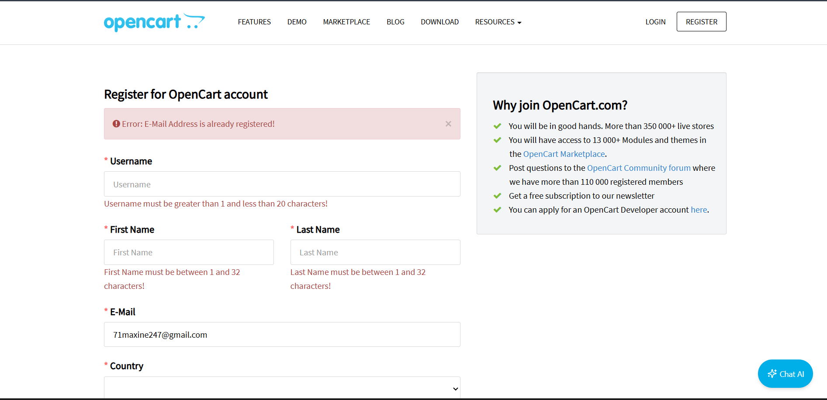 | Validation doesn't trigger immediately, the user might get confused by seeing the wrong error first.
BUG_LOG_01 | Client-side validation is not enforced on login page when email & password fields are left empty | Login | Application: OpenCart Demo Store Browser: Chrome (Version 145.0.7632.76 (Official Build) (64-bit)) OS: Windows 11 Network: Wi-Fi / 5G (Airtel) | User is on Login page | 1. Navigate to login page 2. Leave email and password blank 3. Click Login | Client-side validation should prevent form submission Field-level validation messages should appear Login request should not be sent to server | Request sent to server Generic error message returned | Medium | Medium | Open | 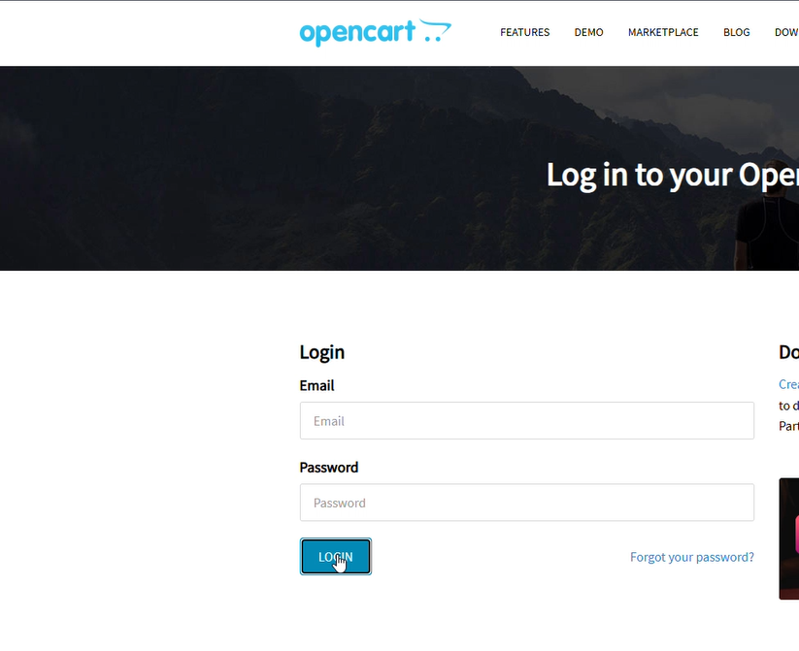 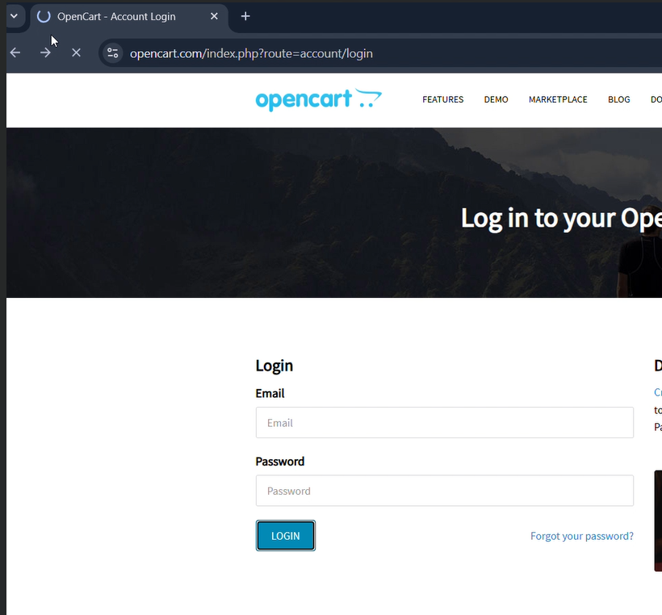 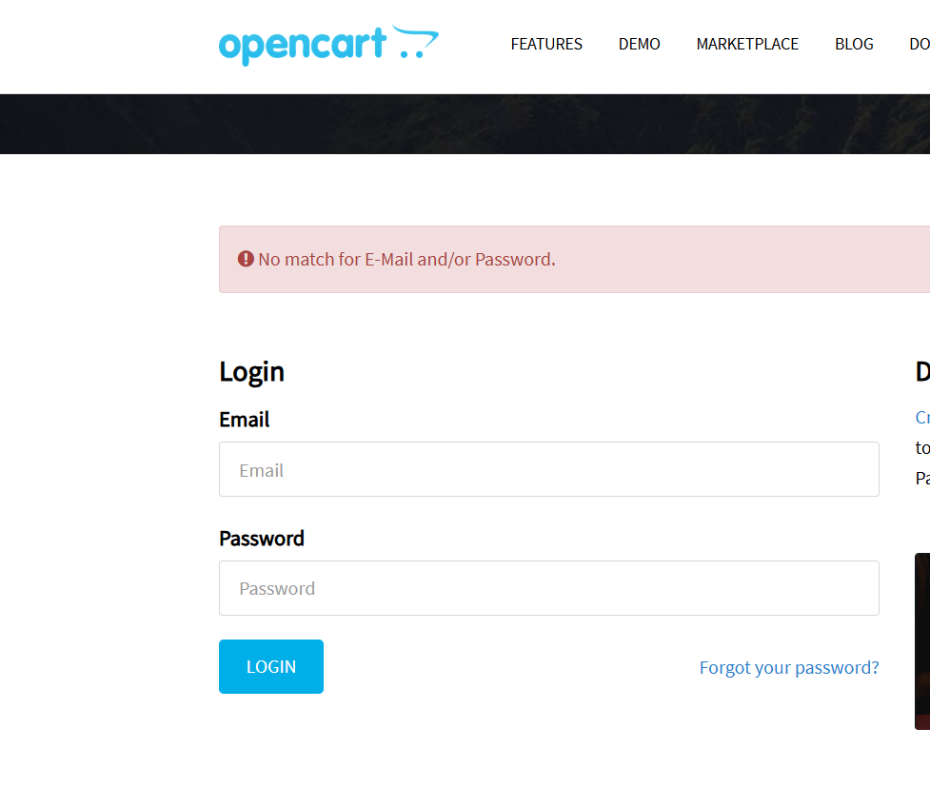 | Could confuse users and increase unnecessary server requests. Client-side validation should be enforced.
BUG_LOG_02 | Password field not cleared after failed login attempt | Login | Application: OpenCart Demo Store Browser: Chrome (Version 145.0.7632.76 (Official Build) (64-bit)) OS: Windows 11 Network: Wi-Fi / 5G (Airtel) | User is on Login page | 1. Navigate to login page 2. Enter valid email 3. Enter invalid password 4. Click Login 5. Observe password field after login fails | Password field should clear after failed attempt | Password persists even after failure | Minor | Low | Open | 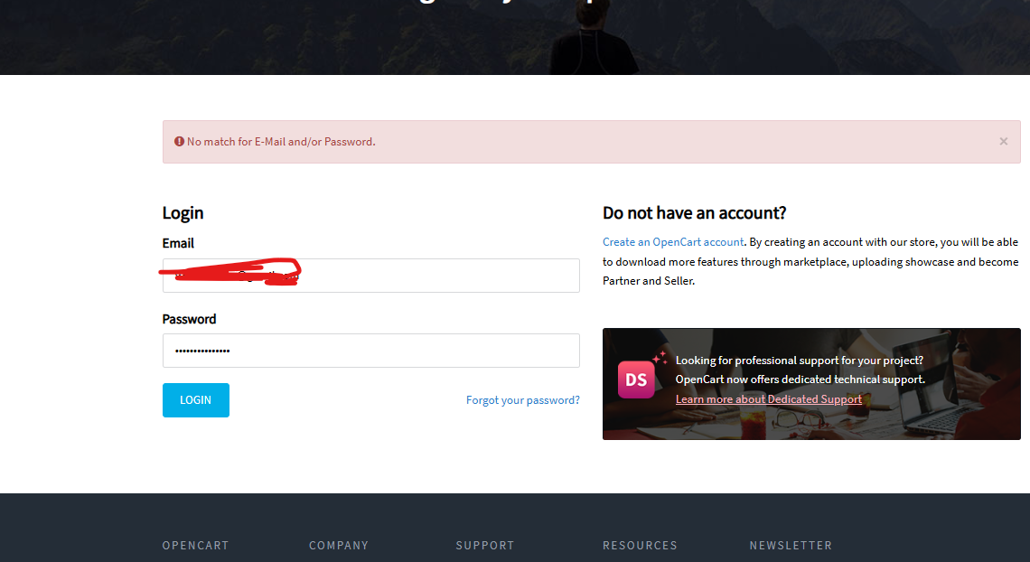 | Password stays in the box after a fail should clear out for better usability.
BUG_FPD_01 | Unauthorized Session Persistence after Password Reset | Forgot Password | Application: OpenCart Demo Store Browser: Chrome (Version 145.0.7632.76 (Official Build) (64-bit)) OS: Windows 11 Network: Wi-Fi / 5G (Airtel) | User Logged in on Browser 1 and Browser 2 with same account | 1. Login on Browser A with valid account 2. Login on Browser B with same account 3. Initiate Forgot Password on Browser A 4. Enter valid Email and reset password 5. Open Browser B and try to access pages that require authentication | Session on all browsers should terminate User should be redirected to login page when attempting action that require authentication | User on Browser B can still access authentication required pages | Major | High | Open | 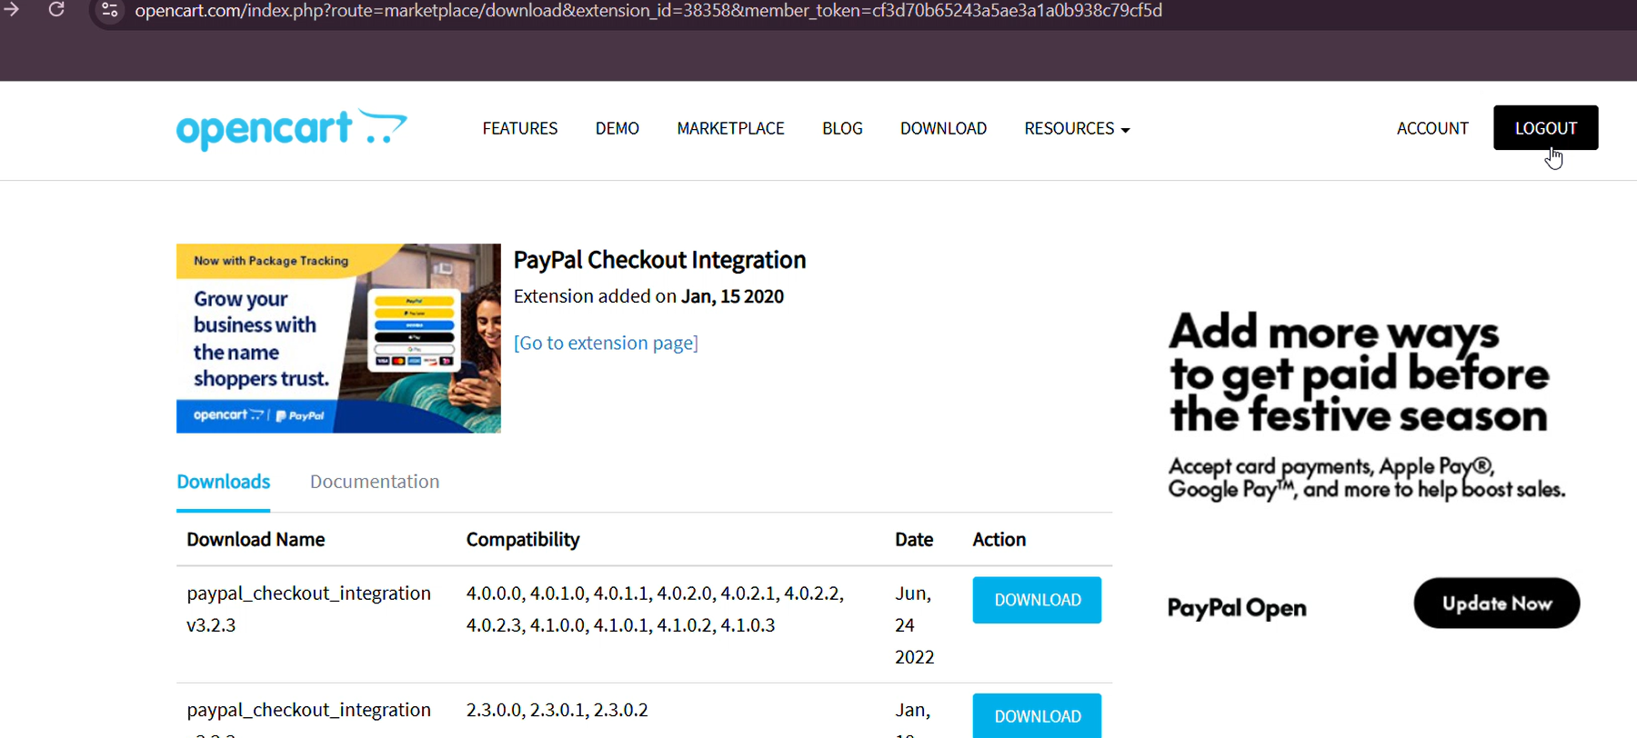  | Old sessions stay active after a password change this is a security risk for the user.
BUG_PROD_01 | Incorrect informational message displayed on adding items to cart with 0 Quantity | Product Display | Application: OpenCart Demo Store Browser: Chrome (Version 145.0.7632.76 (Official Build) (64-bit)) OS: Windows 11 Network: Wi-Fi / 5G (Airtel) | User is on product detail page | 1. Navigate to product detail page 2. Make the quantity: 0 3. Click Add to Cart 4. Observe message displayed and cart value | Message prompting user to add quantity should be displayed / No false messages. Add to cart button should be unclickable and no item should be added to cart | Message "Success: You have added MacBook to your shopping cart!" is displayed no item added to cart | Medium | Medium | Open | 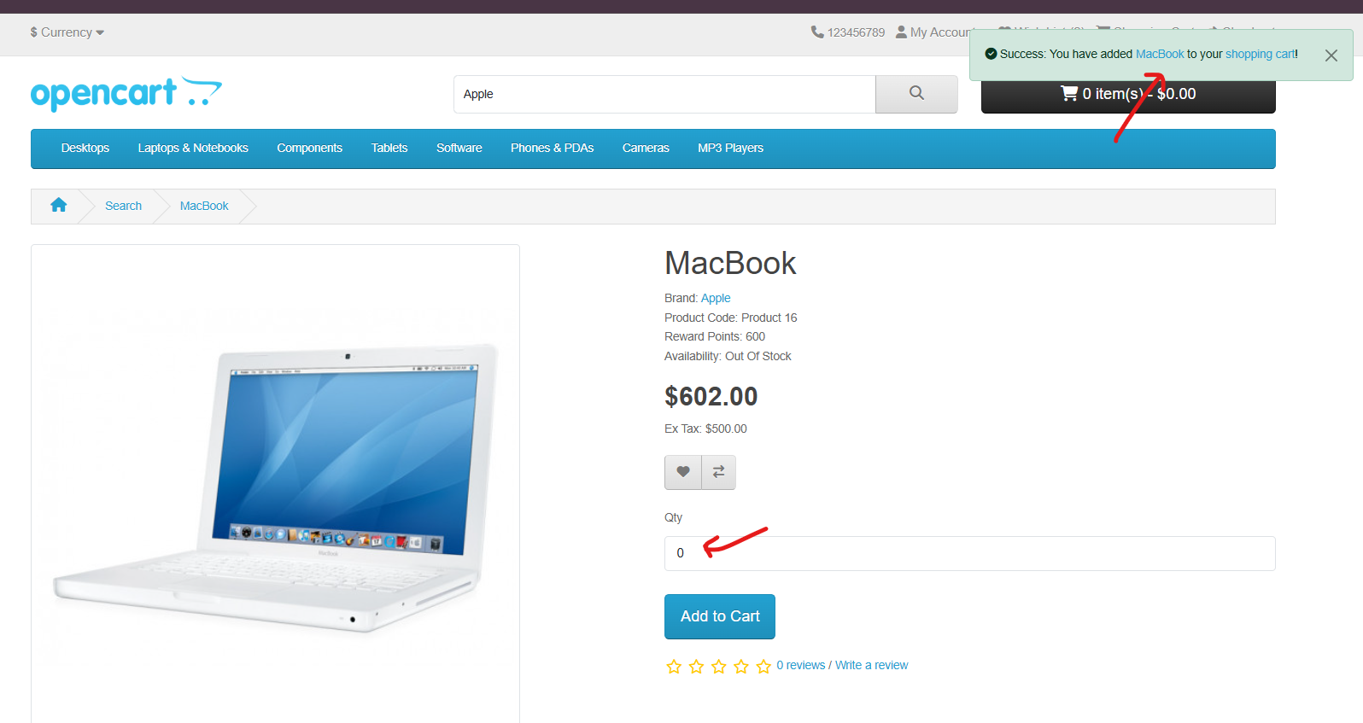 | The app says "Success" even though nothing was added very misleading for the shopper.
BUG_PROD_02 | Negative quantity values being accepted and product quantity in cart reduced | Product Display | Application: OpenCart Demo Store Browser: Chrome (Version 145.0.7632.76 (Official Build) (64-bit)) OS: Windows 11 Network: Wi-Fi / 5G (Airtel) | User is on product detail page | 1. Navigate to product detail page 2. Make quantity 2 and add to cart 3. Make the quantity: -1 4. Click Add to Cart 5. Observe message displayed and cart value | Message advising no invalid negative values in quantity should be shown. No changes in the cart should happen. Add to cart button should be unclickable | Quantity of the item is reduced from the cart. Message "Success: You have added MacBook to your shopping cart!" is displayed | Major | High | Open | 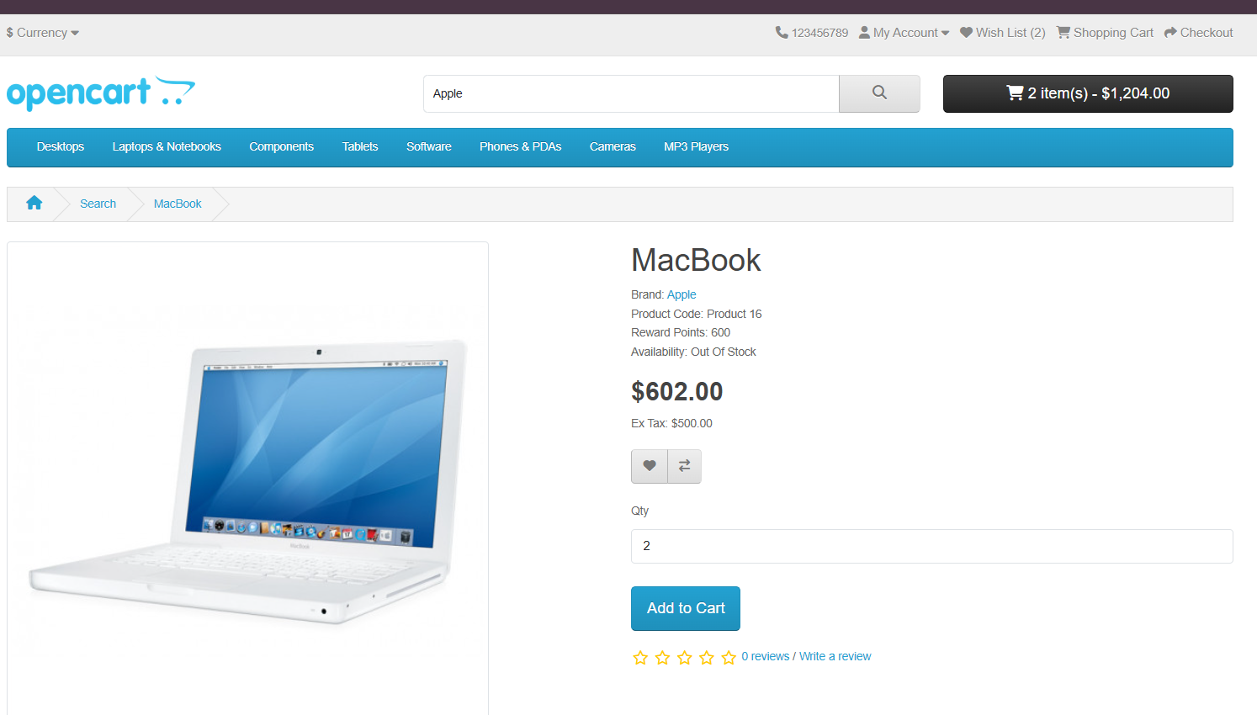 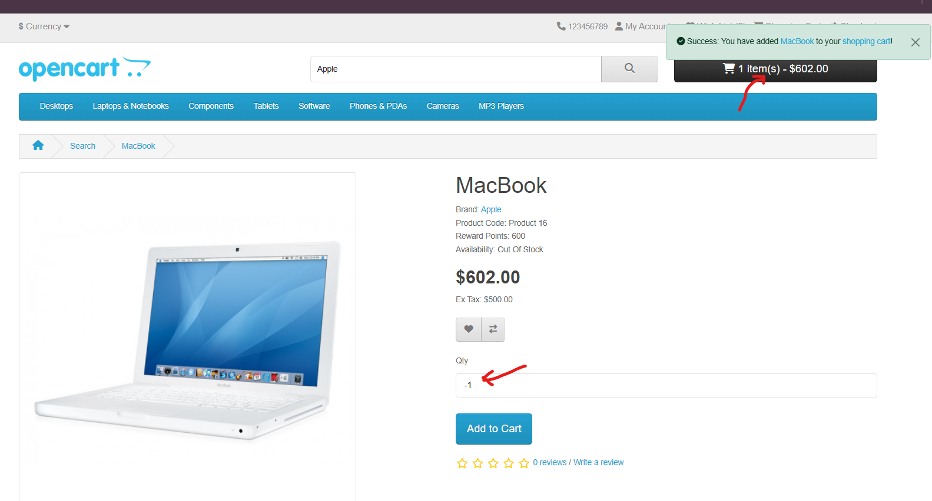 | Negative numbers are reducing the cart count, this is a major logic error in the shopping flow.
BUG_PROD_03 | Continue button on review page is not performing any action | Product Display | Application: OpenCart Demo Store Browser: Chrome (Version 145.0.7632.76 (Official Build) (64-bit)) OS: Windows 11 Network: Wi-Fi / 5G (Airtel) | User is logged in and review form is open | 1. Navigate to review section on product page 2. Write a review 3. Give rating 4. Click Continue button 5. Observe the review section | Button should be clickable and a review should be added | Continue button is being clicked but no action happens no review gets posted | Major | High | Open | 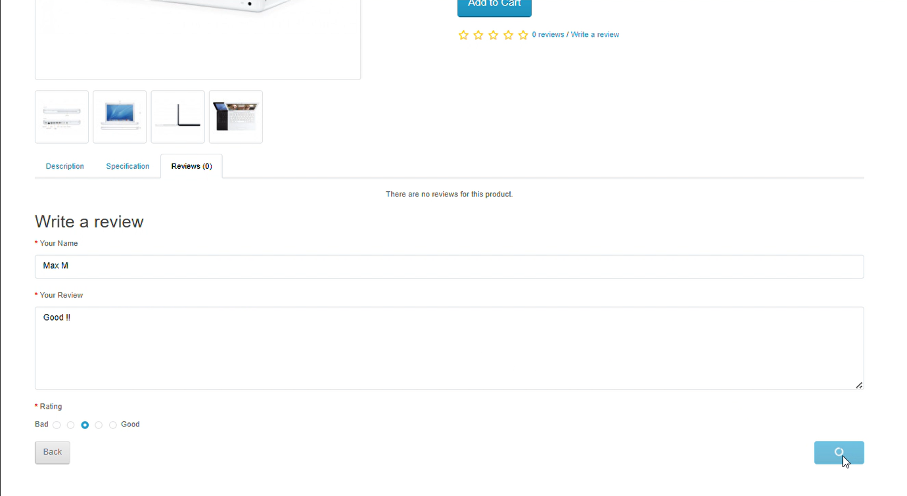 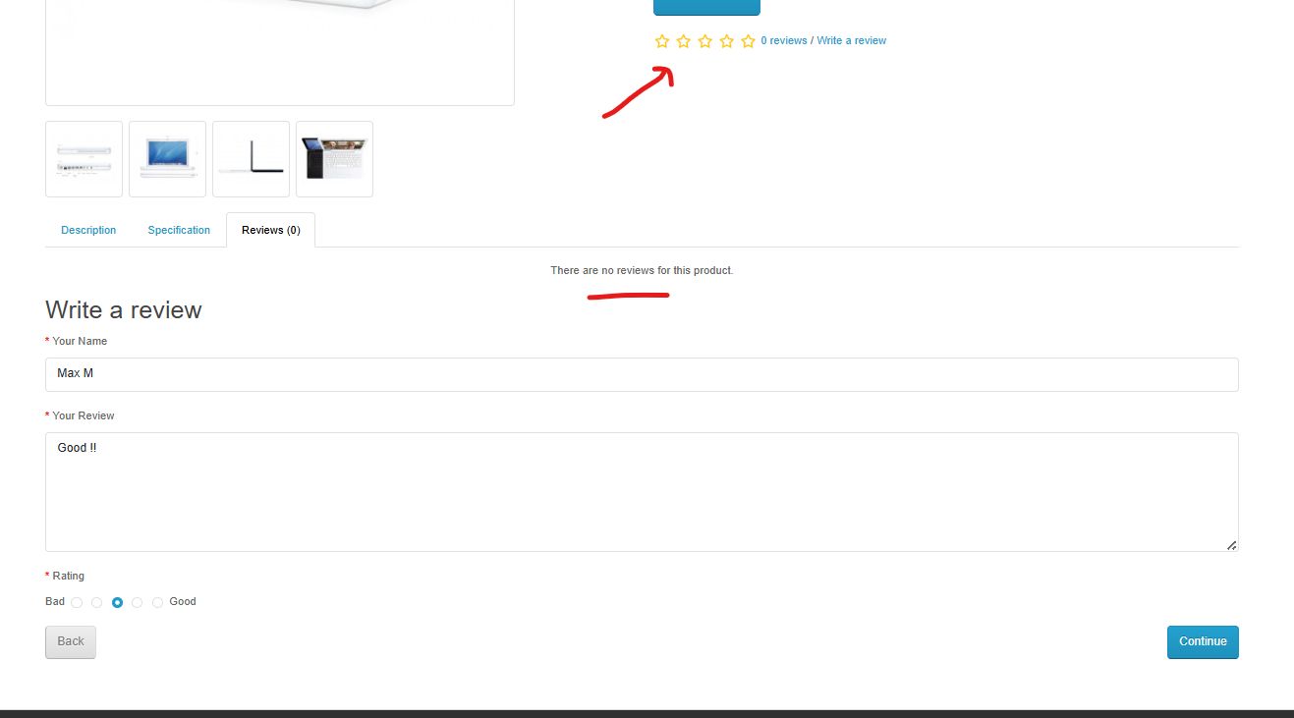 | The button doesn't do anything; users are completely blocked from leaving reviews.
BUG_PROD_04 | User is able to edit their username in review page while submitting reviews | Product Display | Application: OpenCart Demo Store Browser: Chrome (Version 145.0.7632.76 (Official Build) (64-bit)) OS: Windows 11 Network: Wi-Fi / 5G (Airtel) | User is logged in and review form is open | 1. Navigate to review section on product page 2. Observe that name is pre-filled 3. Try editing the name | The username field should be read-only and not editable by the user. | User is able to edit the username in their review | Minor | Low | Open | 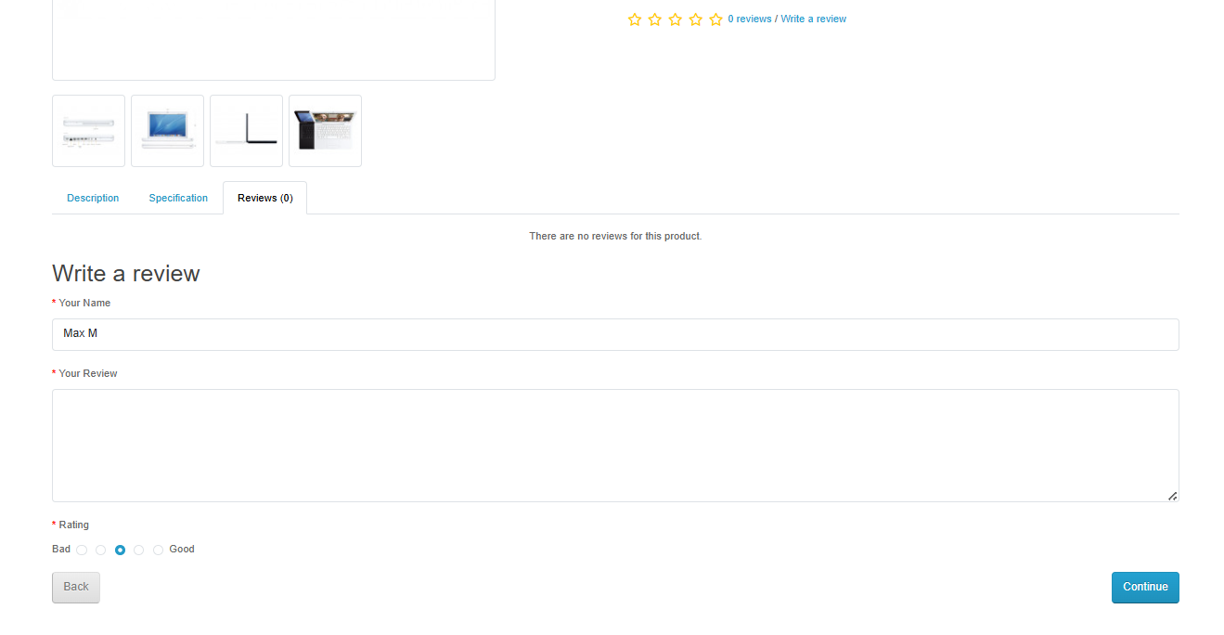 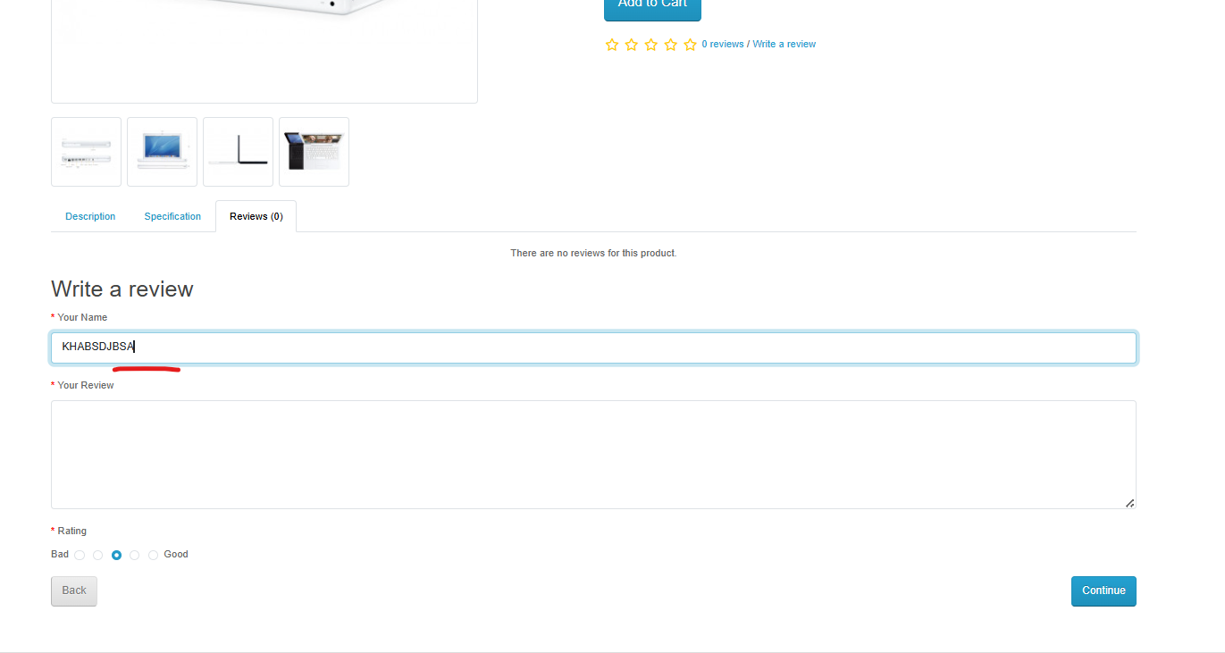 | User can change their pre-filled name it should be locked to prevent incorrect data. Minor usability issue
BUG_CART_01 | Empty cart message not displayed after reducing product quantity to 0 without page refresh | Cart | Application: OpenCart Demo Store Browser: Chrome (Version 145.0.7632.76 (Official Build) (64-bit)) OS: Windows 11 Network: Wi-Fi / 5G (Airtel) | User has at least one product added to the cart User is on the Cart page | 1. Navigate to the Cart page. 2. Ensure that at least one product exists in the cart. 3. Update the product quantity to 0. 4. Observe the cart display and messages. | Product should be removed from the cart and the “Your shopping cart is empty” message should be displayed immediately. | Product is removed from the cart Empty cart message is not displayed The cart still shows total calculations as $0 until the page is refreshed. | Minor | Medium | Open | 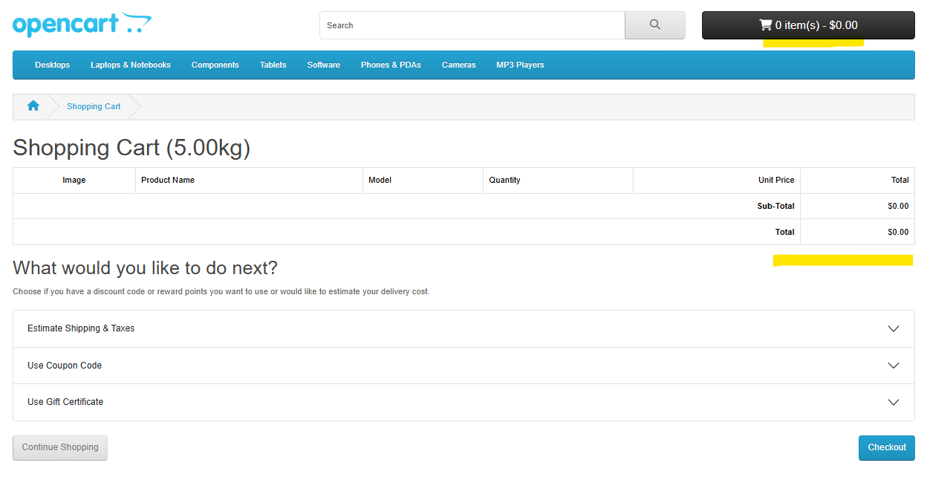 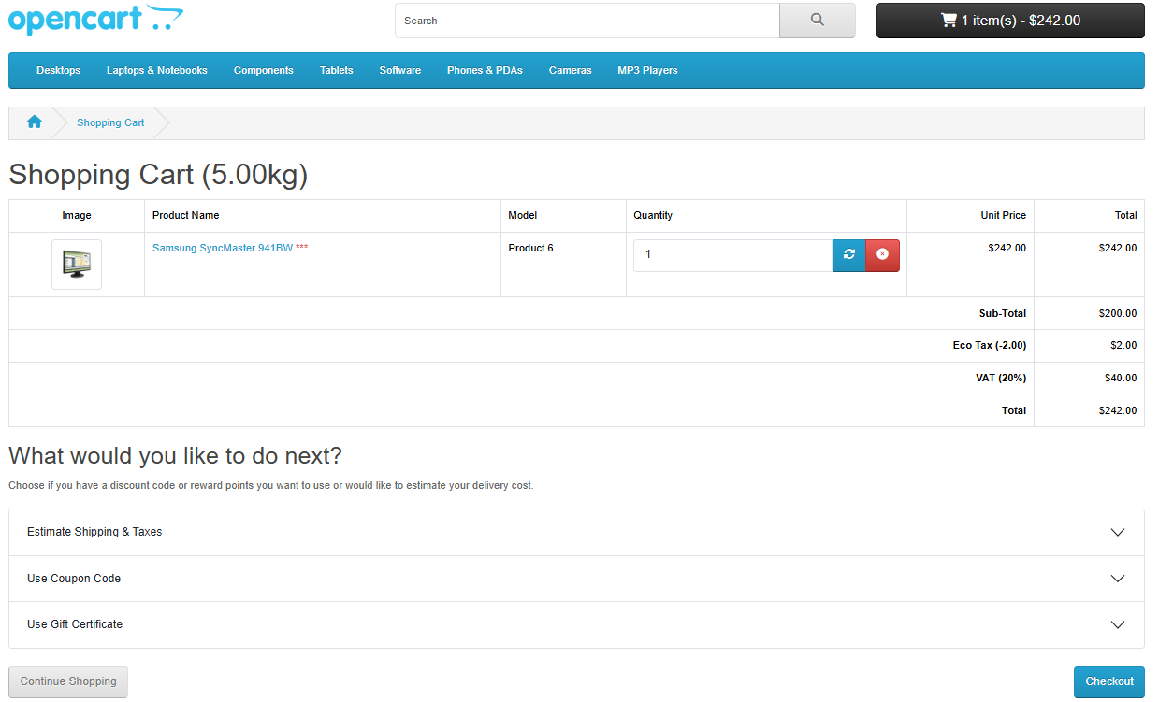 | Cart UI does not refresh automatically after quantity update.
BUG_CART_02 | Cart weight does not update when product quantity changes without page refresh | Cart | Application: OpenCart Demo Store Browser: Chrome (Version 145.0.7632.76 (Official Build) (64-bit)) OS: Windows 11 Network: Wi-Fi / 5G (Airtel) | At least one product exists in the cart | 1. Navigate to the Cart page. 2. Increase the quantity of the product in the cart. 3. Observe the cart weight displayed on the page. | Cart weight should update automatically when the product quantity is modified. | Cart weight does not update immediately after changing the product quantity and only updates after refreshing the page. | Minor | Low | Open |   | Cart weight is recalculated only after manual page refresh.
BUG_CART_03 | Estimated shipping/delivery date not displayed after selecting shipping address and adding shipping cost | Cart | Application: OpenCart Demo Store Browser: Chrome (Version 145.0.7632.76 (Official Build) (64-bit)) OS: Windows 11 Network: Wi-Fi / 5G (Airtel) | User has items in cart | 1. Navigate to the Cart page. 2. Enter the shipping address details (Country, State, Zip Code). 3. Click Get Quotes to retrieve shipping options. 4. Select a shipping method to add shipping cost. 5. Observe if the estimated shipping/delivery date is displayed. | Estimated shipping or delivery date should be displayed after selecting the shipping address and shipping method. | Shipping amount is successfully added The estimated shipping/delivery date is not displayed. | Medium | High | Open |  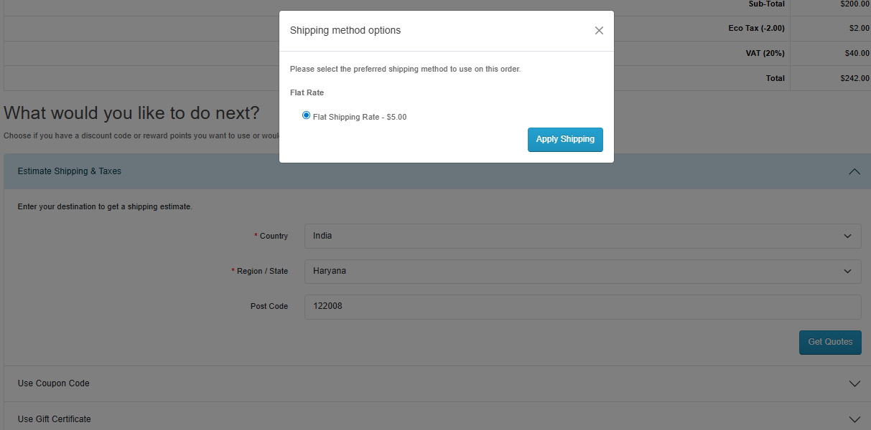  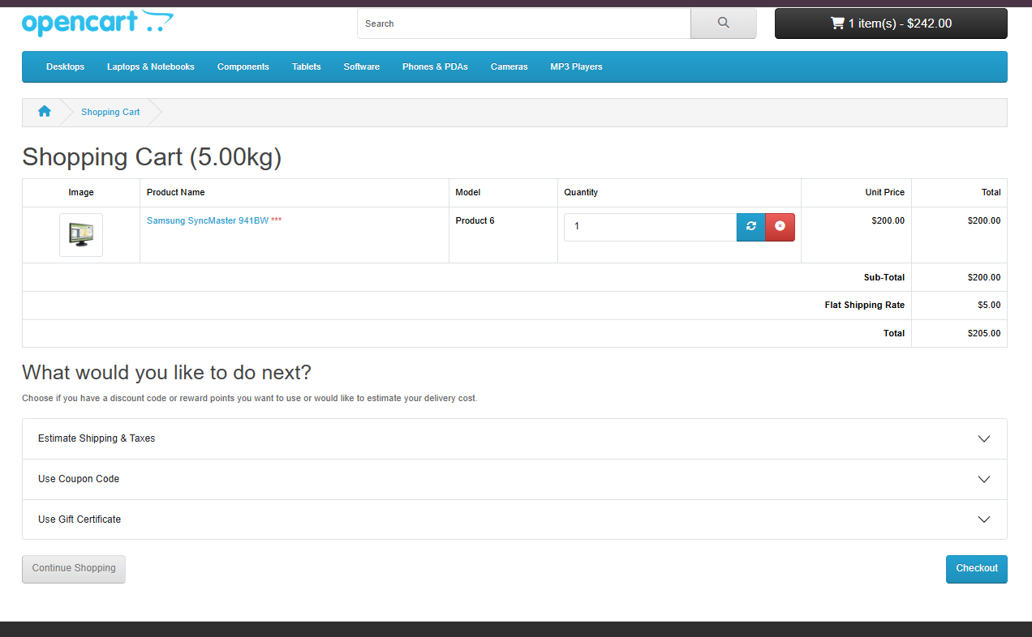 | Shipping cost is applied but estimated delivery date is not displayed.

